1. Title Page
Instant Grocery Basket Analysis

Project Name: Instant Grocery Basket Analysis
Date: 07/19/23
Analyst Name: Magdalena Lipinska

Contents:
Population Flow
Consistency checks
Wrangling steps
Column derivations
Visualizations
Recommendations

Data citation: “The Instacart Online Grocery Shopping Dataset 2017”, Accessed from www.instacart.com/datasets/grocery-shopping-2017 via Kaggle on June 15, 2023.

2. Population Flow
Title page

Population flow

Exclusion flag
Condition: max_order < 5
Obervations to be removed: 1440295
Final total count of order_products_all: 30,962,764

Orders_products_combined
Orders_products_merged
Orders_products_all

Total: 32,404,859
Total: 32,434,489
Total: 32,404,859

1.) The grey boxes in the first row of the population flow represent the original data sets as they were when you downloaded them. In the Total fields you need to add the count of the rows when you imported the data set into Jupyter.
2.) The second row of boxes (coloured) represents the data sets after you manipulated them, e.g., removed missing values and duplicates. In the Total fields you need to add the count of the rows after conducting these operations. This offers a visual oveview of how the data flows throughout the data consistency checks.
3.) The third row, where also the arrows are coloured, represents the merges you performed between the datasets. In the Total fields you need to add the count of the rows in the merged datasets, so that you end up with the final dataset (in the red box). Keep in mind the final dataset should be without exclusions (based on the exclusion flag).

3. Consistency checks
 |  |  |  | Title page
Consistency checks

Dataset | Missing values | Missing values treatment | Duplicates
orders | days_since_prior_order: 206,209 | No action taken | 0
products | Product_name: 16 | Created a new dataframe without the missing values | 5 - removed
orders_products_prior | 0 | N/A | 0
customers | 0 | N/A | 0

4. Wrangling steps
 |  |  |  | Title page
Wrangling steps

Columns dropped | Columns renamed | Columns' type changed | Comment/Reason
eval_set from orders.csv |  |  | Irrelevant to the analysis
First Name from customers.csv |  |  | PII - identity protection
Last Name from customers.csv |  |  | PII - identity protection
 | order_dow' changed to 'orders_day_of_week' in orders.csv |  | Unintuitive name
 | days_since_prior_order' changed to 'number_of_days_since_prior_order' in orders.csv |  | Unintuitive name
 | Surname' changed to 'Last Name' on customers.csv |  | Consistency
 | n_dependanes' changed to 'Number of Depdendents' on customers.csv |  | Unintuitive name, misspelled
 | fam_status changed to Marital Status on customers.csv |  | More intuitive
 |  | change order_id to string | Integer to string
 |  | change user_ID to string | Integer to string

5. Column derivations
 |  |  |  | Title page

Column derivations and aggregations

In this tab you should add tables below that the frequences of flags/label variables that you produced after deriving them. NB: don't do this for continuous variables, only for flags.
Dataset | New column | Column/s it was derived from | Conditions
df_ords_prods_merged | price_label | prices | prices <= 5 - Low-range product prices >5 and <= 15 - Mid-range product prices > 15 - High-range product
df_ords_prods_merged | busiest_day | orders_day_of_week | orders_day_of_week == 0 - Busiest day orders_day_of_week == 4 - Least busy else - Regular day
df_ords_prods_merged | busiest_days | orders_day_of_week | orders_day_of_week.isin([0, 1]) - Busiest days orders_day_of_week.isin([3, 4]) - :east busy else - Regular busy
df_ords_prods_merge | busiest_time_of_day | order_hour_of_day | order_hour_of_day is between 9-16 - Most orders order_hour_of_day is between 0-6 and 23 - Fewest orders else - Average orders
ords_prods_merge | loyalty_flag | max_order | max_order > 40 - Loyal customer 10 < max_order <= 40 and - Regular customer max_order <= 10 - New customer
ords_prods_merge | spending_flag | avg_price | avg_price < 10 - Low spender avg_price >= 10 - High spender
ords_prods_merge | median_prior_orders | order_frequency_flag | median_prior_orders > 20 - Non-freqent customer median_prior_orders >10 and <= 20 - Regular customer median_prior_orders <= 10 - Frequent customer
df_all_data_merged | region | state | state.isin(northeast) - Northeast state.isin(midwest) - Midwest state.isin(south) - South state.isin(west) - West
df_all_data_merged | age_group | age | Age <35 - Young adult Age >=35 and <65 - Middle-aged Age >65 - Senior
df_all_data_merged | income_level | income | income < 40K - Low-income income >= 40K and < 80K - Medium-income income > 80K - High-income
df_all_data_merged | family_flag | Marital Status, Number of Dependents | Marital Status'].isin(['divorced/widowed', 'living with parents and siblings', 'single'])) & (high_activity_cust['Number of Dependents']==0), 'family_flag'] = 'single no dependents'
 |  |  | Marital Status'].isin(['divorced/widowed', 'living with parents and siblings', 'single'])) & (high_activity_cust['Number of Dependents'] >=1), 'family_flag'] = 'single with dependents'
 |  |  | Marital Status'] == 'married') & (high_activity_cust['Number of Dependents'] == 1), 'family_flag'] = 'married no dependents'
 |  |  | Marital Status'] == 'married') & (high_activity_cust['Number of Dependents'] > 1), 'family_flag'] = 'married with dependents'

6. Visualizations
 |  | Title page

Visualisations

In this tab you should include all the visualtions from Exercises 4.9 and 4.10, alongside the questions from the project brief that they answer. Include any commentary on the relationship between different variables.

1. What are the busiest days of the week? Busiest hours of the day?

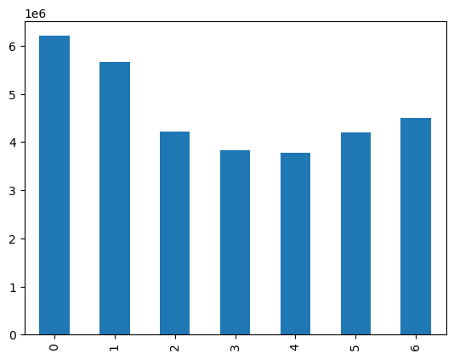
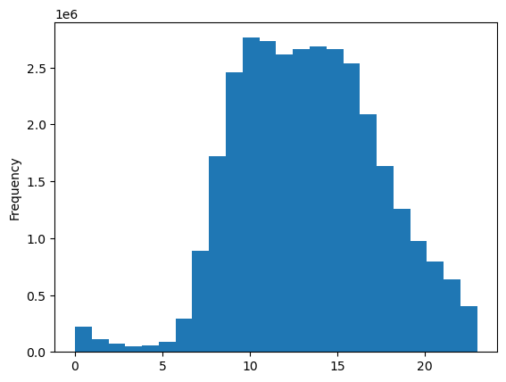

 | 0 - Saturday
 | 1 - Sunday
 | 2 - Monday
 | 3 - Tuesday
 | 4 - Wednesday
 | 5 - Thursday
 | 6 - Friday

The busiest day of the week is the weekend, with Saturday being the busiest, followed by Sunday. |  |  | The busiest hours of the day are between 10 am - 5 pm. After 5 pm sales start declining, up until 5 am.

2. What are the times of the day when people spend the most money?

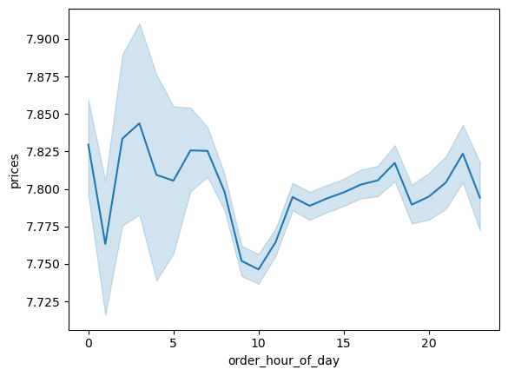

It seems like people are spending the most around 2 am, and the least around 10 am.

3. Instacart has a lot of products with different price tags. Marketing and sales want to use simpler price range groupings to help direct their efforts

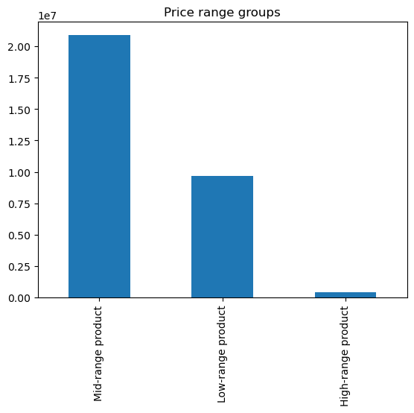

Majority of products are classified as Mid-range products, followed by Low-range products, and lastly, High-range products

4. Are there certain types of products that are more popular than others? The marketing and sales teams want to know which departments have the highest frequency of product orders

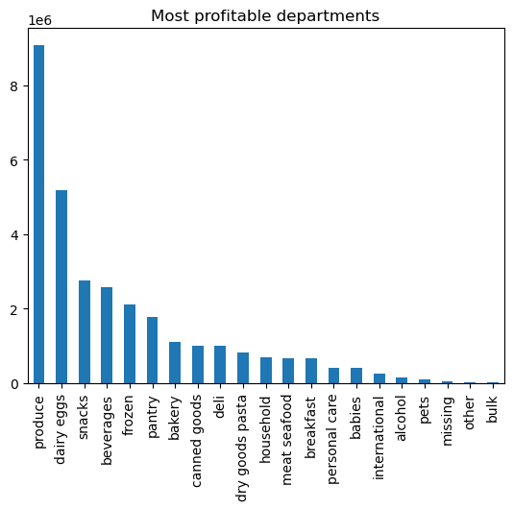

The most popular department is produce, followed by dairy, followed by snacks.

5. What’s the distribution among users in regards to their brand loyalty (i.e., how often do they return to Instacart)?

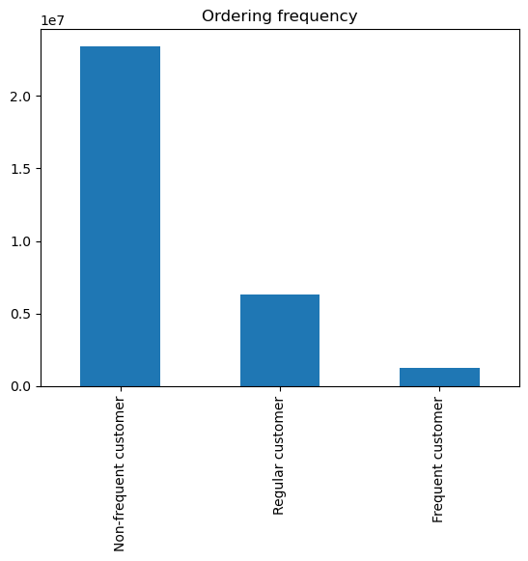



We divided Instacart customers into 3 groups: The highest number of customers are in the Regular customers group, followed by Loyal customers, and then the New customer. We can also see that the highest number of customers are Non-frequent customers.

6. Are there differences in ordering habits based on a customer’s loyalty status?

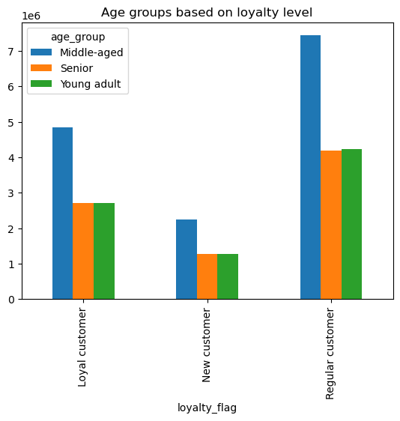
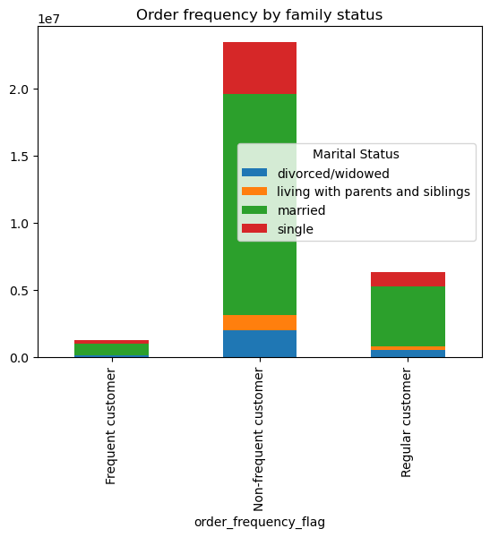
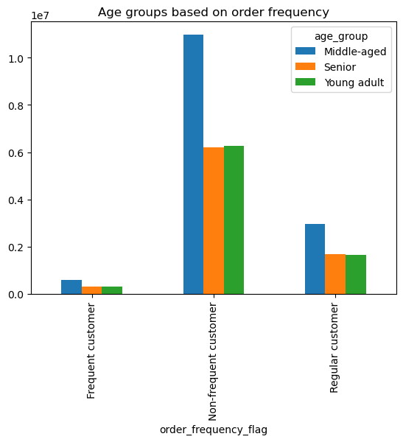
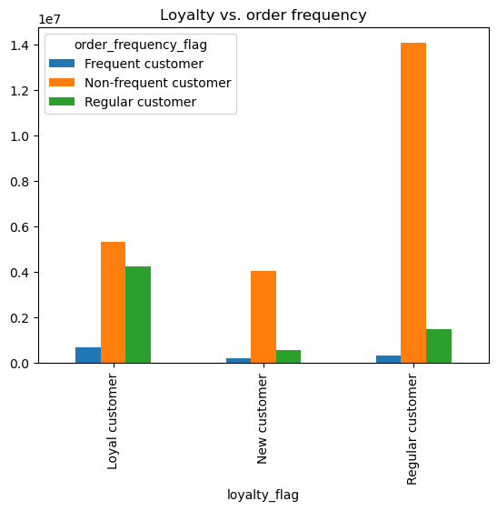

In every order-frequency group (regular, frequent, and non-frequent), the highest percentage is made up by a married, middle-aged customers In every loyalty group (loyal, new, regular), the highest percentage is made up by a middle-aged customers. We can also see that loyal, new and regular customers, are all non-frequent customers.

7. Are there differences in ordering habits based on a customer’s region?

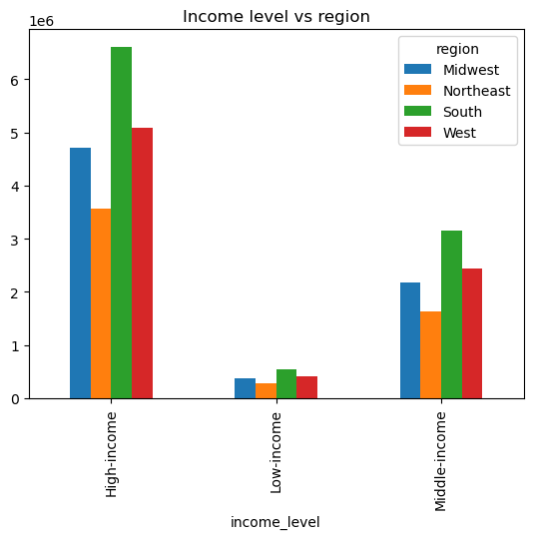
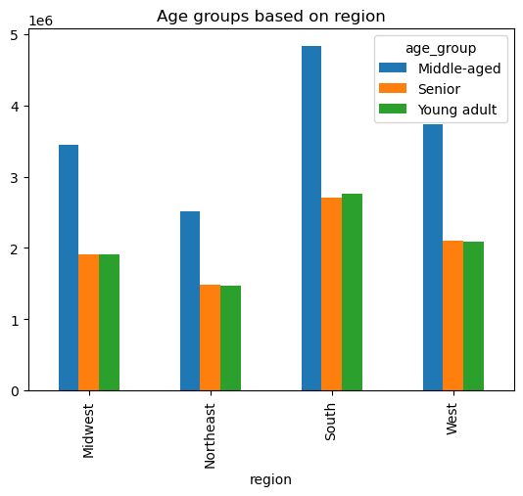
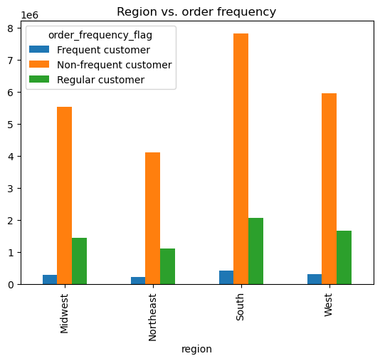

The South creates the ost profit out of the 4 regions. In every region, middle-aged customers dominate. Customers from the South meke up the highest number in all 3 different income groups (high, low, middle), and customers from the Northeast make us the smallest number.In all 4 regions, non-frequent type of customer dominates, followed by regular customer.

8. Is there a connection between age and family status in terms of ordering habits?

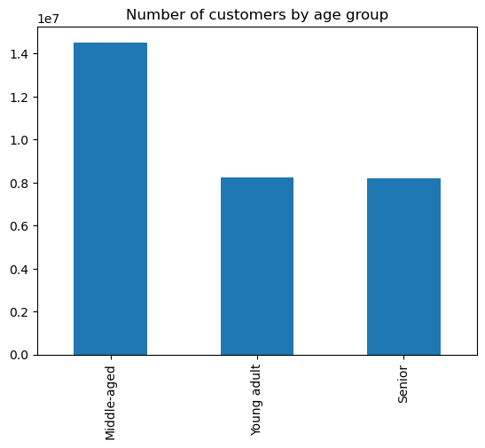
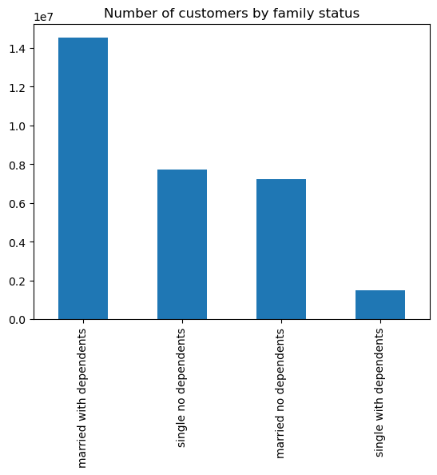
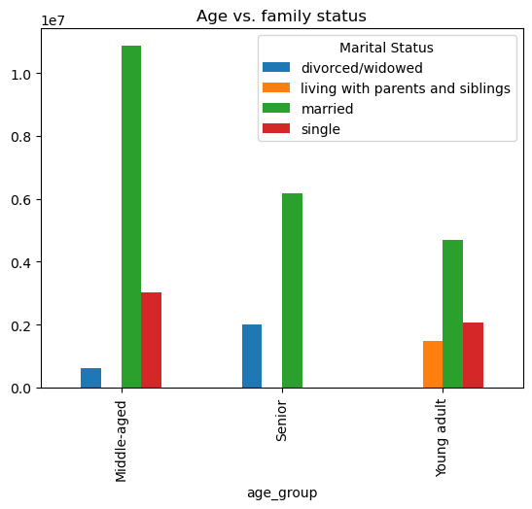

The highest number of Instacart customers are middle-aged, and married with dependents.

9. What different classifications does the demographic information suggest? Age? Income? Certain types of goods? Family status?

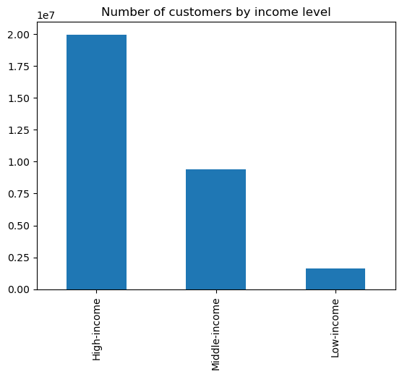
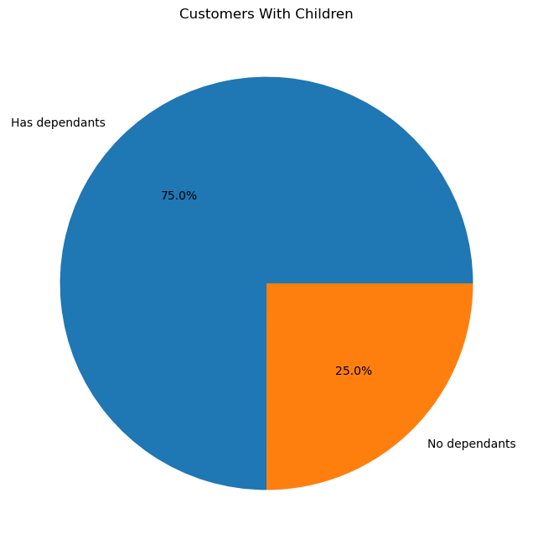

The highest number of Instacart customers are high-income earners, followed by middle-income earners.Additionally, 75% of the customers, have dependents.

10. What differences can you find in ordering habits of different customer profiles? Consider the price of orders, the frequency of orders, the products customers are ordering, and anything else you can think of.

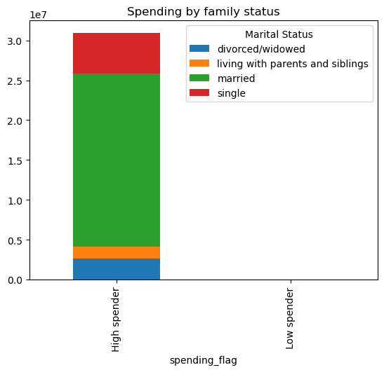
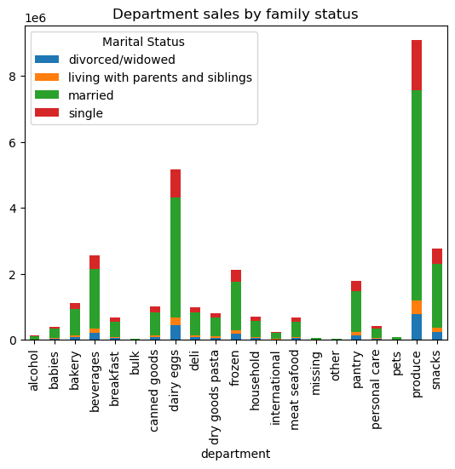
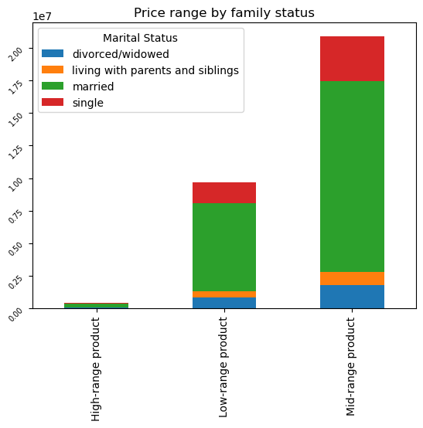
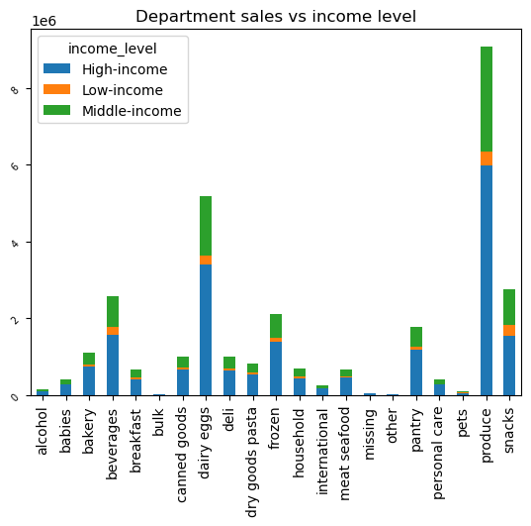

All of the Instacart customers are high-spenders. The most popular department among all family status groups, is Produce, followed by Dairy. The majority of customers buy Mid-range products, followed by Low-range products.

7. Recommendations
 | Title page

Recommendations

In this tab you should include any recommendations you would made to Instcart in terms of their marketing strategy based on the questions posed in the brief. Every key question has been covered in the Tasks of the Exercises - here you need to add an item - a visualisation or table/crosstable that is showing the answer in the data, acompanied by a comment from you. Please, list the questions below and add the answer underneath.

1. What are the busiest days of the week and hours of the day?

The busiest days are Saturday and Sunday. The busiest time period is between 10 am - 5 pm.

Recommendation: We should ceate a weekday, off-peak hours campaign, where we could offer discounts on the most popular products, only during those times. We should create an email marketing campaign for this, and send out emails to customers during that time, to encourage shopping.

2. What are the times of the day when people spend the most money?

People spend the most money at 2 am, and the least at 10 am.
Recommendation: Create a promotion offering free, expedited shipping, only for customers who place an order during the times when people spend the least money.

3. Are there certain types of products that are more popular then others?

The most popular department is produce, followed by dairy, followed by snacks.

Recommendation: We should create more targeted advertising, for example advertise frozen goods, to single young customers specifically. We should also focus on the most profitable departments, such as produce and dairy, and create campaigns where customers could buy 1 and get 1 free (within the same department).

4. What's the distribution among users in regards to their loyalty?

We divided Instacart customers into 3 groups: The highest number of customers are in the Regular customers group, followed by Loyal customers, and then the New customer. We can also see that the highest number of customers are Non-frequent customers.

Recommendation: In order to create more loyal customers, we should offer a loyalty-rewards program. Customers would collect points everytime at check out, and receive prices/coupons/discounts every 1000 or 2000 points. This way they will have an incentive to come back and shop at Instacart

5. Are there differences in ordering habits based on a customer’s loyalty status?

In every order-frequency group (regular, frequent, and non-frequent), the highest percentage is made up by a married, middle-aged customers In every loyalty group (loyal, new, regular), the highest percentage is made up by a middle-aged customers. We can also see that loyal, new and regular customers, are all non-frequent customers.

Recommendation: In order to increase the purchasing frequency, we should create a weekly newsletter with all the products that are currently on sale, our top picka and the best deals. Customers should receive those weekly.

6. Are there differences in ordering habits based on a customer’s region?

The South creates the most profit out of the 4 regions. In every region, middle-aged customers dominate. Customers from the South meke up the highest number in all 3 different income groups (high, low, middle), and customers from the Northeast make us the smallest number.In all 4 regions, non-frequent type of customer dominates, followed by regular customer.

Recommendtion: Put more money into advertising in the least profitable region (Northeast). Create targeted campaigns based on customers' previous search history. Create a clearance events, for the least profitable departments.

7. Is there a connection between age and family status in terms of ordering habits?

The highest number of Instacart customers are middle-aged, and married with dependents.

Recommendation: We should really focus on the products that these customer groups are purchasing thr most, and offer incentives, such as "Spend $100 on produce, get $10 off your next purchase",

8. What different classifications does the demographic information suggest?

The highest number of Instacart customers are high-income earners, followed by middle-income earners. Additionally, 75% of the customers, have dependents.

Recommendation: Since 75% of customers have dependents, we should focus on promoting family-friendly products, household products, baby products.

9. What differences can you find in ordering habits of different customer profiles?

All of the Instacart customers are high-spenders. The most popular department among all family status groups, is Produce, followed by Dairy. The majority of customers buy Mid-range products, followed by Low-range products.

